Sheet1
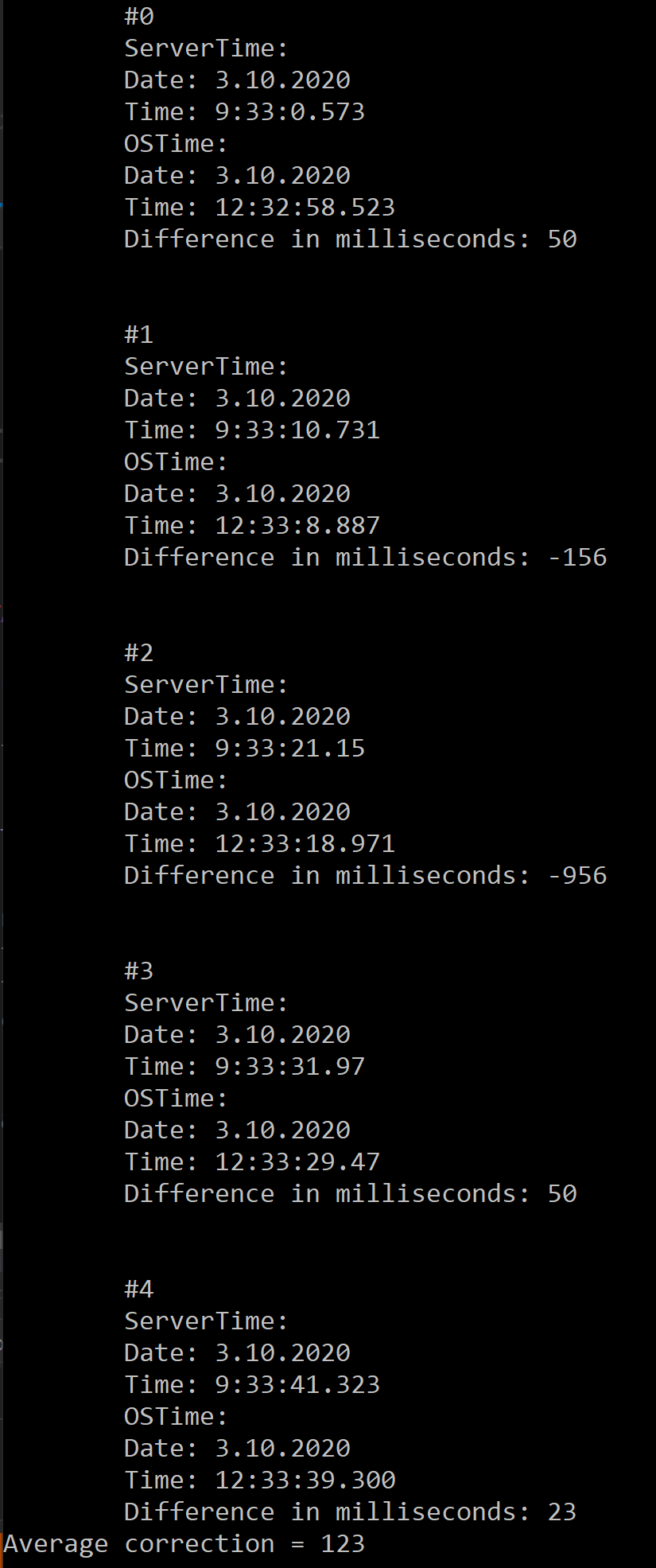
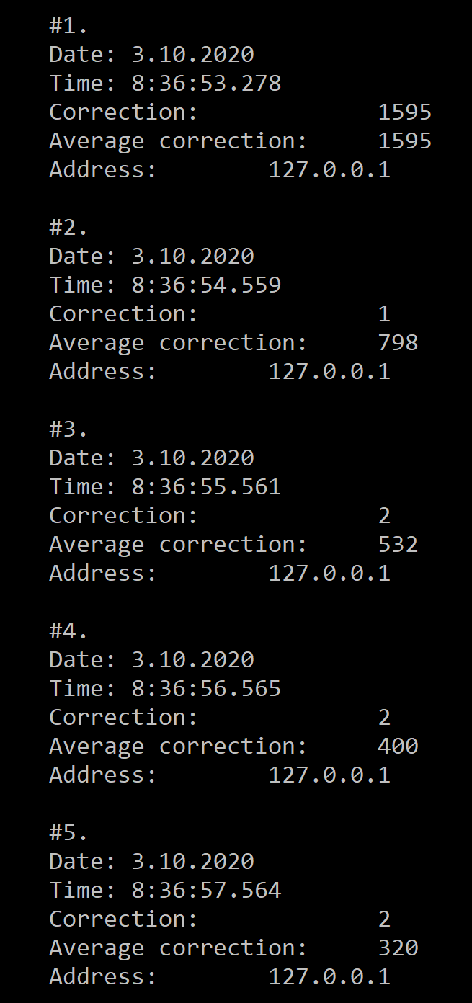
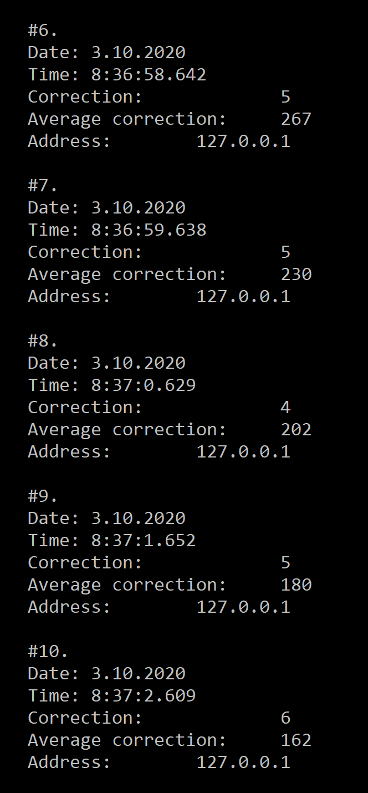
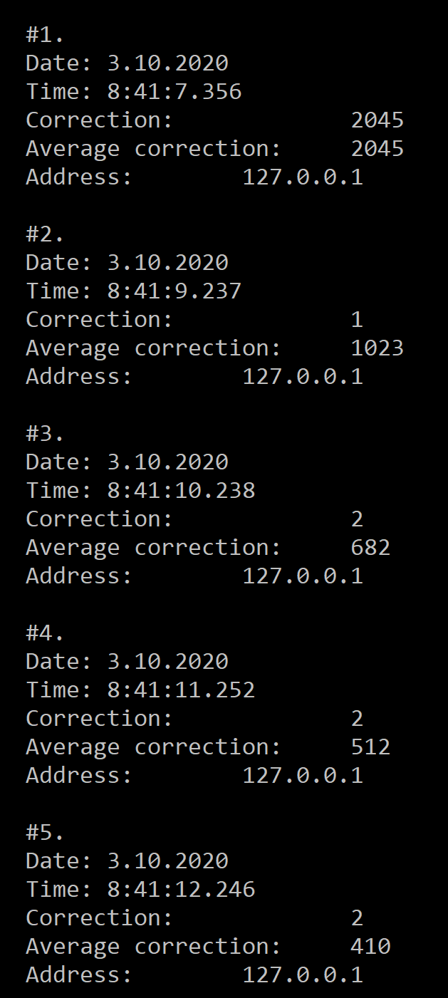
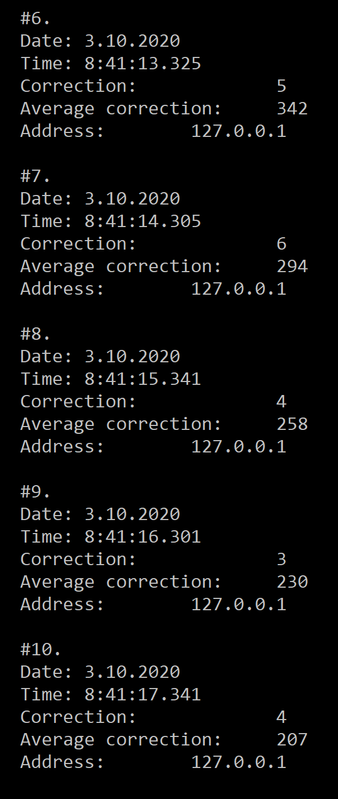
Tc | 1000 | 3000 | 6000 | 8000 | 9000
AVGcorrection1 | 798 | 400 | 230 | 180 | 162
AVGcorrection2 | 1023 | 512 | 294 | 230 | 207
Maxcorrection | 1 | 2 | 6 | 5 | 6
Mincorrection | 1 | 2 | 5 | 3 | 4

AVG Correction

